Defect Report
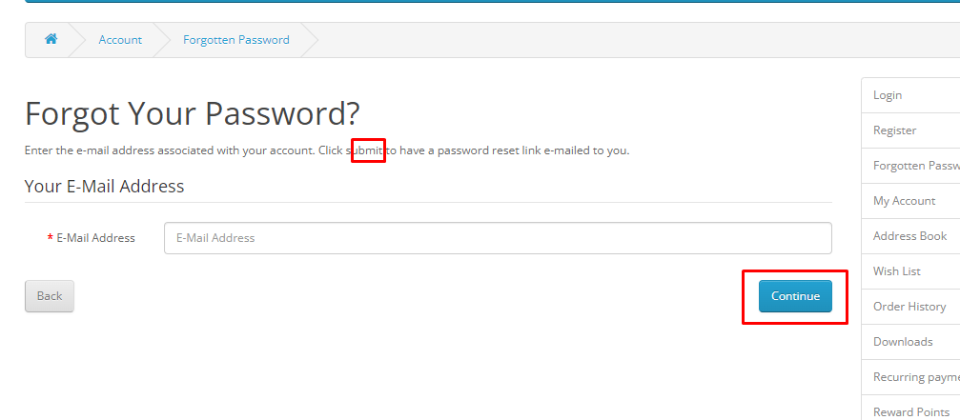
Defect ID | Defect Description | Steps To Reproduce (STR) | Actual Result | Expected Result | Priorty | Severity | Status | Raised By | Tested on Version/Build | Attachment
Bug_01 | The 'First Name' and 'Last Name' fields are accepting other formats apart from characters | 1. Open app url : https://tutorialsninja.com/demo/ 2. Click on 'My Account' dropdown from the header. 3. From dropdown, click on 'Register' option. 4. Now, add other formats values(integers, special characters, emojis) in the first name and the last name fields and observe. | The 'First Name' and 'Last Name' fields are accepting other formats apart from characters | The 'First Name' and the 'Last Name' fields should not accept the other formats values | High | Medium | New | Prashant | 1.1 | 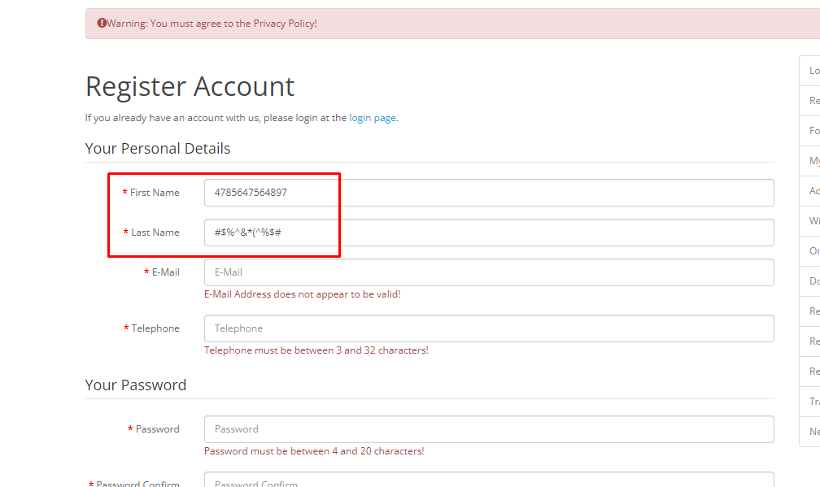
Bug_02 | Discrepancy is observed between the string and the 'continue' button present on the 'Forgotten Password' page | 1. Open app url : https://tutorialsninja.com/demo/ 2. Click on 'My Account' dropdown from the header. 3. From dropdown, click on 'Login' option. 4. Once the Login page triggers, click on 'Forgotten Password' hyperlink. 5. Once the user is in the 'Forgotten Password' page, observe the string below the main heading and the button. | In the string it's mentioned 'Click submit button...' and on the button it shows 'Continue'. Hence discrepancy is observed between the string and the 'continue' button present on the 'Forgotten Password' page. | The string and the button info shoud be same. | Low | Low | New | Prashant | 1.3
Bug_03
Bug_04
Bug_05
Bug_06
Bug_07
Bug_08
Bug_09
Bug_10
Bug_11
Bug_12

